Slaine


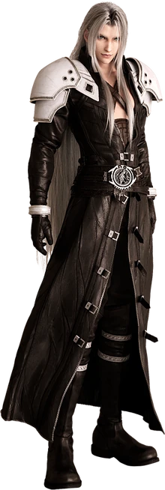
 |  |  |  |  |  |  |  | Swashbucklers&Scoundrels
 |  |  |  |  |  |  |  |  |  |  |  |  |  |  |  |  |  |  |  |  |  |  |  |  |  |  |  |  |  |  | Character name |  |  |  |  |  | Deity
 |  |  |  |  |  |  |  |  |  |  |  |  |  |  |  |  |  |  |  |  |  |  |  |  |  |  |  |  |  |  | Slaine von mithrangar mardon |  |  |  |  |  | Lathander
 |  |  |  |  |  |  |  |  |  |  |  |  |  |  |  |  |  |  |  |  |  |  |  |  |  |  |  |  |  |  | Class |  |  | Vow |  |  | Lord of the dawn
 |  |  |  |  |  |  |  |  |  |  |  |  |  |  |  |  |  |  |  |  |  |  |  |  |  |  |  |  |  |  | Bard |  |  | Protect the weak |  |  | Optimism and honesty
 |  |  |  |  |  |  |  |  |  |  |  |  |  |  |  |  |  |  |  |  |  |  |  |  |  |  |  |  |  |  | Magician Domains |  |  |  | Warlock Domains |  | 🏰
 |  |  |  |  |  |  |  |  |  |  |  |  |  |  |  |  |  |  |  |  |  |  |  |  |  |  |  |  |  |  | Abjuration |  |  | m | Curses | m
 |  |  |  |  |  |  |  |  |  |  |  |  |  |  |  |  |  |  |  |  |  |  |  |  |  |  |  |  |  |  | Divination |  |  | m | Enchantement | l | 🧠
 |  |  |  |  |  |  |  |  |  |  |  |  |  |  |  |  |  |  |  |  |  |  |  |  |  |  |  |  |  |  | Evocation |  |  | m | Healing | l | 🩸
 |  |  |  |  |  |  |  |  |  |  |  |  |  |  |  |  |  |  |  |  |  |  |  |  |  |  |  |  |  |  | Illusion |  |  | m | Nature | l | 🌿
 |  |  |  |  |  |  |  |  |  |  |  |  |  |  |  |  |  |  |  |  |  |  |  |  |  |  |  |  |  |  | Necromancy |  |  | m | Necromancy pact | m
 |  |  |  |  |  |  |  |  |  |  |  |  |  |  |  |  |  |  |  |  |  |  |  |  |  |  |  |  |  |  | Transmutation |  |  | m | Prayers | m
Character name |  |  |  |  |  |  | Deity |  |  | Alignment |  |  | Appearance |  |  |  | Hair |  |  |  |  |  |  |  |  | Spells | 12 | Domain | cost | range | dmg | D | description
Slaine von mithrangar mardon |  |  |  |  |  |  | Lathander – Aamunkoiton Herra |  |  | Chaotic good |  |  | Stunning, Striking; |  |  |  | White |  |  |  |  |  |  |  |  | Cure Light wounds |  | 🩸 | c | touch |  | Inst. | 1hp/success, plus cha
Race |  |  | stat | Size |  | 10 | Class |  |  | Vow |  |  |  | Height |  | Weight |  | Gender |  |  |  |  |  |  |  | Charm |  | ?🧠 | c | eye |  | scene | Target believes the warlock is a friend
Urban elf |  |  | CHA | Medium |  |  | Bard |  |  | Proect the weak |  |  |  | 190 |  | 60 |  | Male |  |  |  |  |  |  |  | Provoke Emotion |  | ?🧠 | c | eye |  | scene | Create a strong emotion to target as a condition
Strength |  | Poor |  |  | Dexterity |  | Great |  |  | Intelligence |  | Mediocre |  |  | Charisma |  | Great |  |  |  |  |  |  |  |  | Compulsion |  | ?🧠 | scene | eye |  | command | Target must obey one simple command
-1 |  |  |  |  | 4 |  |  |  |  | 0 |  |  |  |  | 4 |  |  |  |  |  |  |  |  |  |  | Forget |  | ?🧠 | scene | eye |  | Inst. | Target forgets this scene till now
 |  |  |  |  |  |  |  |  |  |  |  |  |  |  |  |  |  |  |  |  |  |  |  |  |  | Cure Serious Wounds |  | 🩸 | scene | touch |  | Inst. | Heal D20 HP + Cha
Fighter skills |  |  | rank | total | Rogue skills |  |  | rank | total | Magician skills |  |  | rank | total | Warlock skills |  |  | rank | total |  |  |  |  |  |  | Call Mist |  | 🌿 | c | voice |  | scene | condition thick fog, radius voice
Craft |  |  | 0 | -1 | Athletics |  |  | 6 | 10 | Investigation |  |  |  | 0 | Animal |  |  |  | 4 |  |  |  |  |  |  | Nature aspect |  | 🌿 | scene | touch |  | scene | One target gets +1 on one stat
Martial weapons |  |  | 0 | -1 | Burglary |  |  |  | 4 | Lore: |  |  | 3 | 3 | Influence |  |  | 7 | 11 |  |  |  |  |  |  | Plant growth |  | 🌿 | scene | scene |  | scene | Grow a wall of plants, 6m wall or 6m radius circle. CHA+10 hp,
Intimidation |  |  | 0 | -1 | Light weapons |  |  | 9 | 13 | neverwinter, dungeons, traps |  |  |  | 0 | Pact magic |  |  | 8 | 12 |  |  |  |  |  |  |  |  |  |  |  |  |  | OR enrich soil in a radius of 1 km one/session
Brawling |  |  | 0 | -1 | Riding |  |  |  | 4 | Languages: |  |  | 1 | 1 | Performing |  |  | 7 | 11
 |  |  | 0 | -1 | Sailing |  |  |  | 4 | common, elven |  |  |  | 0 |  |  |  |  | 4
 |  |  | 0 | -1 | Shooting |  |  | 2 | 6 | Thaumaturgy |  |  |  | 0 |  |  |  |  | 4
 |  |  | 0 | -1 | Stealth |  |  | 5 | 9 | Medicine |  |  |  | 0 |  |  |  |  | 4
 |  |  | 0 |  |  |  |  |  |  | Perception |  |  | 4 | 4
Level |  | move |  | Stamina |  | Initative |  | Armor |  |  |  |  |  | Conditions |  | HP |  |  |  | Defense
10 |  | 14 |  | 14 |  | 9 |  | move | Enhanced leather coat |  |  |  |  | first |  | 10 | Exhausted |  | p | Martial |  | Magic |  | Willpower
 |  |  |  |  |  |  |  | 14 | n | Light |  | disadvantage |  | second |  | 6 | Dazed |  | p | 23 |  | 22 |  | 19
Armor |  | Hit Points |  | Mana |  |  |  | 11 | p | Medium |  | Athletics |  | third |  | 5 | Dizzy |  | p | Shield+ | 2 | Mantle+ | 2 | Mantle+ | 2
2 |  | 19 |  | 14 |  |  |  | 7 | p | Heavy |  | Sneaking |  | fourth |  | 3 | Insecure |  | p | 25 |  | 24 |  | 21
 |  |  |  |  |  |  |  | magic | n | Shield |  | 1
lvl | skills | spells | C | Feat |  |  |  |  |  |  |  |  |  |  |  | +1 | Stat feat |  |  |  |  |  |  |  |  | Magic items
1 | 6 |  | R | Dungeon Dvelver |  |  |  | adv. on dungeon |  |  |  |  |  |  |  | DEX | danger sense |  |  |  |  |  |  |  |  | Bag of Holding |  |  | 1/20 size
2 | 12 |  | R | Mobile |  | Move +3, dash no disadv on diff terrain |  |  |  |  |  |  |  |  |  | You have advantage on Dexterity saving throws against |  |  |  |  |  |  |  |  |  | Rapier of lightning |  |  | extra lightning damage
3 | 18 |  | R | Ukemi |  | 1 stamina dodge, disadvantage for attacker |  |  |  |  |  |  |  |  |  | effects that you can see, such as traps and spells. sta |  |  |  |  |  |  |  |  |  | Mantle of Spell Resistance |  |  | resistance +2
4 | 22 | 2 | W | Psionic |  | 🩸 | 🧠 |  |  |  |  |  |  |  |  | CHA | Inspiring Leader |  |  |  |  |  |  |  |  | Ring of Free Action |  |  | immune to immobilization or slow
5 | 26 | 4 | W | Actor (advantage on performance when pretending, 1 sta) |  |  |  |  |  |  |  |  |  |  |  | advantage on inspiring people doing things, sta |  |  |  |  |  |  |  |  |  | Cloak of Invisibility |  |  | 1/session
6 | 30 | 6 | W | Subtle spell |  | 1 mana, no sometic/verbal components
7 | 36 |  | R | Light weapon master, rapier, composite, 1 sta |  |  |  |  |  |  |  |  |  |  |  | DEX | Acrobat, advantage on acrobatics, sta
8 | 42 |  | R | duelist |  | stamina for adv. in defense in a duel.
9 | 48 |  | R | Uncanny Dodge |  |  | Spend a stamina point to halve damage received
10 | 52 | 8 | w | Druid |  | 🌿 | 1 Extra spell |  |  |  |  |  |  |  |  | CHA | telepathic, 18m
Attacks |  |  |  |  | Bonus | range | 2h | dmg | skill | description |  |  |  |  |  |  |  |  |  |  |  |  | Defense
Rapier & Sai |  |  |  |  | 1 | melee |  | 3 | 14 | fragile, expensive, rare; sai parry melee only, +1 electric damage, stun on 20 |  |  |  |  |  |  |  |  |  |  |  |  | First |  | 15
composite bow |  |  |  |  | 1 |  | x | 2 | 7 | +1 fire damage |  |  |  |  |  |  |  |  |  |  |  |  | second |  | 10
Sai block |  |  |  |  | 2 | sword |  |  | 15 |  |  |  |  |  |  |  |  |  |  |  |  |  | third |  | 5
Feats |  |  |  |  |  |  |  |  |  |  |  |  |  |  |  |  |  |  | Spells |  |  |  |  | cost | range
Dungeon Delver |  |  |  |  |  |  |  |  | Mobile |  |  |  |  |  |  |  |  |  | Cure Light wounds |  |  |  | 🩸 | c | touch
• You have advantage on Perception and |  |  |  |  |  |  |  |  | • Your move increases by 3m |  |  |  |  |  |  |  |  |  | Charm |  |  |  | 🧠 | c | eye
 | Investigation checks to find secret doors. |  |  |  |  |  |  |  | • When you use the Dash action, difficult terrain doesn’t cost you extra movement on that turn. |  |  |  |  |  |  |  |  |  | Provoke Emotion |  |  |  | 🧠 | c | eye
• You have advantage on perception to avoid traps. |  |  |  |  |  |  |  |  | Subtle Spell |  |  |  |  |  |  |  |  |  | Compulsion |  |  |  | 🧠 | scene | eye
• You can search for traps at a normal pace. |  |  |  |  |  |  |  |  | • When you cast a spell, you can spend 1 mana point to cast it |  |  |  |  |  |  |  |  |  | Forget |  |  |  | 🧠 | scene | eye
Ukemi |  |  |  |  |  |  |  |  | without any somatic or verbal components. |  |  |  |  |  |  |  |  |  | Cure Serious Wounds |  |  |  | 🩸 | scene | touch
• Spend a stamina point, get advantage on dodge |  |  |  |  |  |  |  |  | Light Weapon Master |  |  |  |  |  |  |  |  |  | Call Mist |  |  |  | 🌿 | c | voice
• must make a move, vulnerable on sharp floor |  |  |  |  |  |  |  |  | • spend stamina point to get advantage on one attack, |  |  |  |  |  |  |  |  |  | Nature aspect |  |  |  | 🌿 | scene | touch
Actor |  |  |  |  |  |  |  |  | you can use this with rapier, composite bow |  |  |  |  |  |  |  |  |  | Plant growth |  |  |  | 🌿 | scene | scene
• You have advantage when impersonating someone |  |  |  |  |  |  |  |  | Uncanny Dodge
• You can mimic a person’s speech or a creature’s |  |  |  |  |  |  |  |  | Spend a stamina point to halve damage received |  |  |  |  |  |  |  |  |  | Perks
 | sounds after hearing them for at least 1 minute. |  |  |  |  |  |  |  | Defensive Duelist |  |  |  |  |  |  |  |  |  | Contacts |  |  | ppp
Danger Sense |  |  |  |  |  |  |  |  | • spend a stamina to have an advantage on defense |  |  |  |  |  |  |  |  |  | resources |  |  | pp
• You have advantage on Dexterity saves |  |  |  |  |  |  |  |  | Acrobatic |  |  |  |  |  |  |  |  |  | Status |  |  | ppppp
against effects that you can see, such as traps and spells. |  |  |  |  |  |  |  |  | • When you are prone, standing up uses only half move |  |  |  |  |  |  |  |  |  | indebted |  |  | ppppp
• To gain this benefit, you can’t be blinded, |  |  |  |  |  |  |  |  | • Advantage on climbing |  |  |  |  |  |  |  |  |  |  |  |  | ppppp
 |  |  |  |  |  |  |  |  | • You can make a running long jump or a running high |  |  |  |  |  |  |  |  |  | Corruption |  |  | ppppp
 |  |  |  |  |  |  |  |  | jump after moving only 1m on foot, rather than 2m |  |  |  |  |  |  |  |  |  | honor code |  |  | of a knight

4 hp |  |  |  | STR | DEX | INT | CHA
dex +1 |  |  |  | -1 | 4 | 0 | 4 |  |  | debt
4hp |  |  |  | LVL | 10 | HP | 19 |  |  | 1 | mediocre
 |  |  |  | Stamina | 14 | mana | 14 |  |  | 3 | average
 |  |  |  |  |  |  |  |  |  | 6 | good
 |  |  |  |  |  |  |  |  |  | 10 | great
 |  |  |  |  |  |  |  |  |  | 15 | superb
 |  |  |  |  |  |  |  |  |  | 21 | Legendary

Martin 3
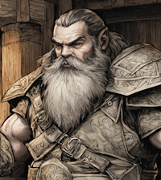
 |  |  |  |  |  |  |  | Swashbucklers&Scoundrels

Character name |  |  |  |  |  |  | Deity |  |  | Alignment |  | Appearance |  |  |  | Hair
Martin the righteous |  |  |  |  |  |  | Tempus |  |  | Lawful good |  | Strong, imposing; |  |  |  | Gray
Race |  |  |  | Size |  | 8 | Class |  |  | Vow |  |  | Height |  | Weight |  | Gender
Dwarf |  |  |  | small |  |  | Paladin of Tempus |  |  | Cannot watch injustice |  |  | 150 |  | 80 |  | Male
Strength |  | Great |  |  | Dexterity |  | Mediocre |  |  | Intelligence | Poor |  |  | Charisma |  | Average
4 |  |  |  |  | 0 |  |  |  |  | -1 |  |  |  | 1

Fighter skills |  |  | rank | total | Rogue skills |  |  | rank | total | Magician skills |  | rank | total | Warlock skills |  |  | rank | total
Martial weapons |  |  | 5 | 9 | Athletics |  |  | 3 | 3 | Investigation |  | 0 | -1 | Animal |  |  | 0 | 1
Intimidation |  |  |  | 4 | Burglary |  |  | 0 | 0 | Lore: |  | 2 | 1 | Influence |  |  | 0 | 1
Brawling |  |  | 3 | 7 | Light weapons |  |  | 0 | 0 |  |  |  | -1 | Pact magic |  |  | 0 | 1
Craft |  |  |  | 4 | Riding |  |  | 0 | 0 | Languages: |  | 1 | 0 | Performing |  |  | 0 | 1
 |  |  |  | 4 | Sailing |  |  | 0 | 0 | dwarven, Elven |  |  | -1 |  |  |  |  | 1
 |  |  |  | 4 | Shooting |  |  | 0 | 0 | Thaumaturgy |  | 0 | -1 |  |  |  |  | 1
 |  |  |  | 4 | Stealth |  |  | 0 | 0 | Medicine |  | 0 | -1 |  |  |  |  | 1
 |  |  |  |  |  |  |  |  |  | Perception |  | 4 | 3
Level |  | move |  | Stamina |  | Initative |  | Armor |  |  |  | magic | Conditions |  | HP |  |  |  | Defense
3 |  | 8 |  | 7 |  | 2 |  | move | plate mail |  |  | p | first |  | 8 | Exhausted |  | p | Martial |  | Magic | Willpower
 |  |  |  |  |  |  |  | 8 | p | Light | disadvantage |  | second |  | 5 | Dazed |  | p | 19 |  | 10 | 9
Armor |  | Hit Points |  | Mana |  | Willpower |  | 6 | p | Medium | Athletics |  | third |  | 4 | Dizzy |  | p | Shield+ | 4 | none | none
3 |  | 15 |  | 4 |  | 9 |  | 4 | n | Heavy | Sneaking |  | fourth |  | 3 | Insecure |  | p | 23 |  | 10 | 9

lvl | skills | spells | C | Feat |  |  |  |  |  |  | +1 | Stat feat |  |  |  |  |  |  | Magic items
1 | 6 |  | F | Medium armored |  |  |  |  |  |  | STR | Athlete |  | adv. on atletics rolls
2 | 12 |  | F | Slasher – When you hit with a slashing weapon, you reduce the target's speed by 1, and a critical hit imposes a condition |  |  |  |  |  |  |  |  |  |  |  |  |  |  | Shield of hidden lord.
3 | 18 |  | F | Grand slash (area attack, sta) |  |  |  |  |  |  |  |  |  |  |  |  |  |  | Block any magic with shield block

Attacks |  |  |  |  |  | range | 2h | dmg | skill
Towershield + Longsword |  |  |  |  |  | melee | x | 2 | 9
Brawling |  |  |  |  |  | unarmed | x | 0 | 7
Parry with towershield |  |  |  |  |  |  |  |  | 12 | block any magic

Magician Domains |  |  |  | Warlock Domains |  |  |  |  | Perks |  |  |  |  |  |  | Defense
Abjuration |  |  | m | Curses |  |  |  | m | Contacts |  |  |  |  |  |  | First |  | 22
Divination |  |  | m | Enchantement |  |  |  | m | resources |  | p |  |  |  |  | second |  | 17
Evocation |  |  | m | Healing |  |  |  | m | Status |  | pp |  |  |  |  | third |  | 12
Illusion |  |  | m | Nature |  |  |  | m | indebted |  | ppppp |  |  |  |  | fourth |  | 7
Necromancy |  |  | m | Necromancy pact |  |  |  | m | Corruption |  | ppppp
Transmutation |  |  | m | Prayers |  |  |  | m | honor code |  | Knight

Mouse
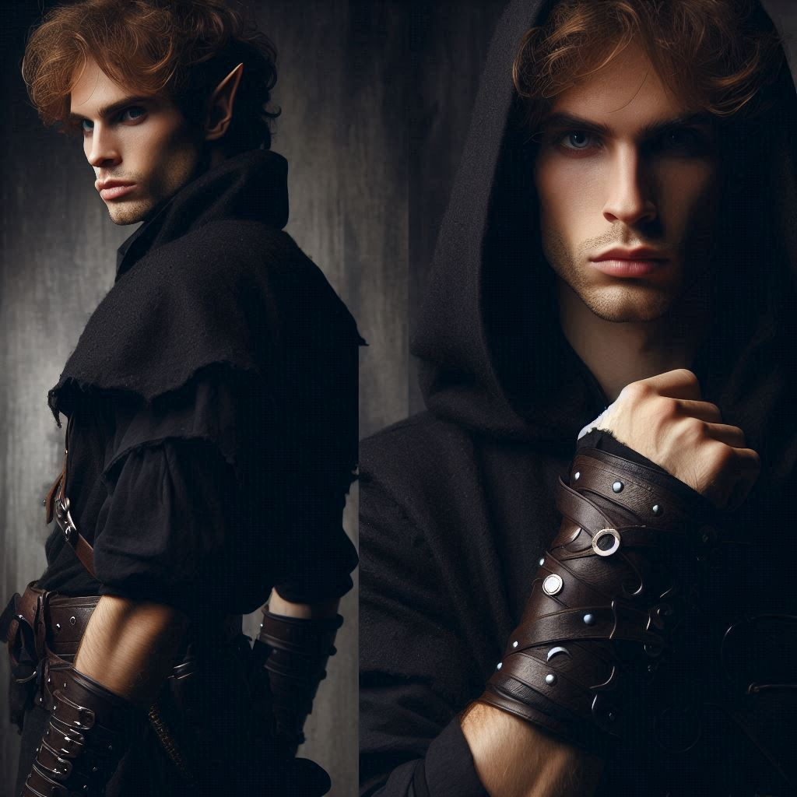

 |  | Swashbucklers&Scoundrels
 | Character name |  |  |  |  |  |  | Deity |  |  | Alignment |  | Appearance |  |  |  | Hair
 | Mouse, Gaston smith |  |  |  |  |  |  | Selune |  |  | Chaotic good |  | Neutral, forgottable; |  |  |  | Brown
 | Race |  |  | stat | Size |  | 8 | Class |  |  | Vow |  |  | Height |  | Weight |  | Gender
 | Halfling |  |  | Dex | Small |  |  | Rogue, dungeon master |  |  | Never steal from poor |  |  | 120 |  | 40 |  | male
 | Strength |  | Poor |  |  | Dexterity |  | Epic |  |  | Intelligence | Mediocre |  |  | Charisma |  | Average
 | -1 |  |  |  |  | 7 |  |  |  |  | 0 |  |  |  | 1

 | Fighter skills |  |  | rank | total | Rogue skills |  |  | rank | total | Magician skills |  | rank | total | Warlock skills |  |  | rank | total
 | Craft |  |  | 0 | -1 | Athletics |  |  | 7 | 14 | Investigation |  | 0 | 0 | Animal |  |  | 1 | 2
 | Martial weapons |  |  | 0 | -1 | Trickery |  |  | 8 | 15 | Lore: |  | 0 | 0 | Influence |  |  | 0 | 1
 | Intimidation |  |  | 0 | -1 | Light weapons |  |  | 9 | 16 |  |  |  | 0 | Pact magic |  |  | 0 | 1
 | Brawling |  |  | 5 | 4 | Riding |  |  | 4 | 11 | Languages: |  | 2 | 2 | Performing |  |  | 5 | 6
 |  |  |  | 0 | -1 | Sailing |  |  | 3 | 10 | common, elven, dwarven |  |  | 0 |  |  |  |  | 1
 |  |  |  | 0 | -1 | Shooting |  |  | 10 | 17 | Thaumaturgy |  |  | 0 |  |  |  |  | 1
 |  |  |  | 0 | -1 | Stealth |  |  | 6 | 13 | Medicine |  | 0 | 0 |  |  |  |  | 1
 |  |  |  | 0 |  |  |  |  |  |  | Awareness |  | 5 | 5
 | Level |  | move |  | Stamina |  | Initative |  | Armor |  |  |  | magic | Conditions |  | HP
 | 10 |  | 18 |  | 17 |  | 12 |  | move | Thieves suit |  |  | n | first |  | 9 | Exhausted |  | p
 |  |  |  |  |  |  |  |  | 18 | p | Light | disadvantage |  | second |  | 6 | Dazed |  | p
 | Armor |  | Hit Points |  | Mana |  | Resistance |  | 14 | p | Medium | Athletics |  | third |  | 4 | Dizzy |  | p
 | 1 |  | 17 |  | 11 |  | 16 |  | 9 | p | Heavy | Sneaking |  | fourth |  | 3 | Insecure |  | p

 | lvl | skills | spells | C | Feat |  |  |  |  |  |  | +1 | Stat feat |  |  |  |  |  |  | Magic items
 | 1 | 6 |  | R | Dungeon Dvelver |  |  |  |  |  |  | DEX | danger sense |  |  |  |  |  |  | Cloak of Invisibility | 1/scene
 | 2 | 12 |  | R | Mobile |  | Move +3, dash adv on diff terrain |  |  |  |  |  | You have advantage on Dexterity saving throws against |  |  |  |  |  |  | Ring of Evasion (area atk) | 1/scene
 | 3 | 18 |  | R | Ukemi |  | 1 stamina, advantage on dodge |  |  |  |  |  | effects that you can see, such as traps and spells. sta |  |  |  |  |  |  | Boots of Elvenkind (stealth adv) | 1/scene
 | 4 | 24 |  | R | Halfling bow master |  |  |  | adv. with stamina |  |  | DEX | Athlete |  |  |  |  |  |  | Bag of Holding (1/20 size)
 | 5 | 30 |  | R | Magic initiate |  |  | cantrip, base spell |  |  |  |  | advantage on acrobatics, sta |  |  |  |  |  |  | Ring of regeneration (1hp/min)
 | 6 | 36 |  | R | Uncanny Dodge |  |  | half damage, 1 sta |  |  |  |  |  |  |  |  |  |  |  | Dagger of Venom +1 | 1/scene
 | 7 | 42 |  | R | Medium armor |  |  | no disadvantage |  |  |  | DEX | Cunnng action, sta |  |  |  |  |  |  | Poisoned, disadvantage on physical
 | 8 | 48 |  | R | Sharp shooter |  |  | Ignore half cover, no range |  |  |  |  | advantage on dash, move, disengage |  |  |  |  |  |  | 5 throwing knives +1
 | 9 | 54 |  | R | Light piercer |  |  | Impose -1 to move or a condition if get 3 successess. |  |  |  |  |  |  |  |  |  |  |  | 5 hidden knives
 | 10 | 60 |  | R | Medium Armor master |  |  | No athletics penalty |  |  |  | DEX | Quick in the head |  |  | Adv. on deception, sta |  |  |  | Mage Lens
 | Attacks // Spells |  |  |  | cost | range | 2h | dmg | skill | D | description |  |  |  |  | Magician Domains |  |  |  | This crystal lens is held in a frame like a magnifying glass.
 | Halfling magic Short bow +1 |  |  |  |  | /90 | x | 3 | 18 |  | creates magic arrows |  |  |  |  | Abjuration |  |  | m | Looking through it reveals the presence of magic as
 | Knife fighting |  |  |  | +1 | H2H | x | 2 | 17 |  |  |  |  |  |  | Divination |  |  | m | though the detect magic spell were in effect.
1 | pact magic |  |  |  | c |  | x |  | 1 |  |  |  |  |  |  | Evocation |  |  | m
2 | Disguise 🎭 |  |  |  | c |  | x |  | 17 | inst. | Advantage on Disguise |  |  |  |  | Illusion |  |  | p
 | Minor Illusion 🎭 |  |  |  | cantrip |  | x |  | 1 | scene | Phantom image or sound, large area (trickster) |  |  |  |  | Necromancy |  |  | m
 | Dodge |  |  |  |  |  |  |  | 14 |  |  |  |  |  |  | Transmutation |  |  | m
 |  |  |  |  |  |  |  |  |  |  |  |  |  |  |  | Warlock Domains
 |  |  |  |  |  |  |  |  |  |  |  |  |  |  |  | Curses |  |  | m
 |  |  |  |  |  |  |  |  |  |  |  |  |  |  |  | Enchantement |  |  | m
 |  |  |  |  |  |  |  |  |  |  |  |  |  |  |  | Healing |  |  | m
 |  |  |  |  |  |  |  |  |  |  |  |  |  |  |  | Nature |  |  | m
 |  |  |  |  |  |  |  |  |  |  |  |  |  |  |  | Necromancy pact |  |  | m
 |  |  |  |  |  |  |  |  |  |  |  |  |  |  |  | Prayers |  |  | m
 |  |  |  |  |  |  |  |  |  |  |  |  |  |  |  | Trickster |  |  | m
 |  |  |  |  |  |  |  |  |  |  |  |  |  |  |  | Perks
 |  |  |  |  |  |  |  |  |  |  |  |  |  |  |  | Contacts |  | ppppp
 |  |  |  |  |  |  |  |  |  |  |  |  |  |  |  | resources |  | pppp
 |  |  |  |  |  |  |  |  |  |  |  |  |  |  |  | Status |  | p

 |  |  |  |  |  |  |  |  |  |  |  |  |  |  |  | Flaws
 |  |  |  |  |  |  |  |  |  |  |  |  |  |  |  | indebted |  | ppppp
 |  |  |  |  |  |  |  |  |  |  |  |  |  |  |  | Corruption |  | ppppp

Ayumi
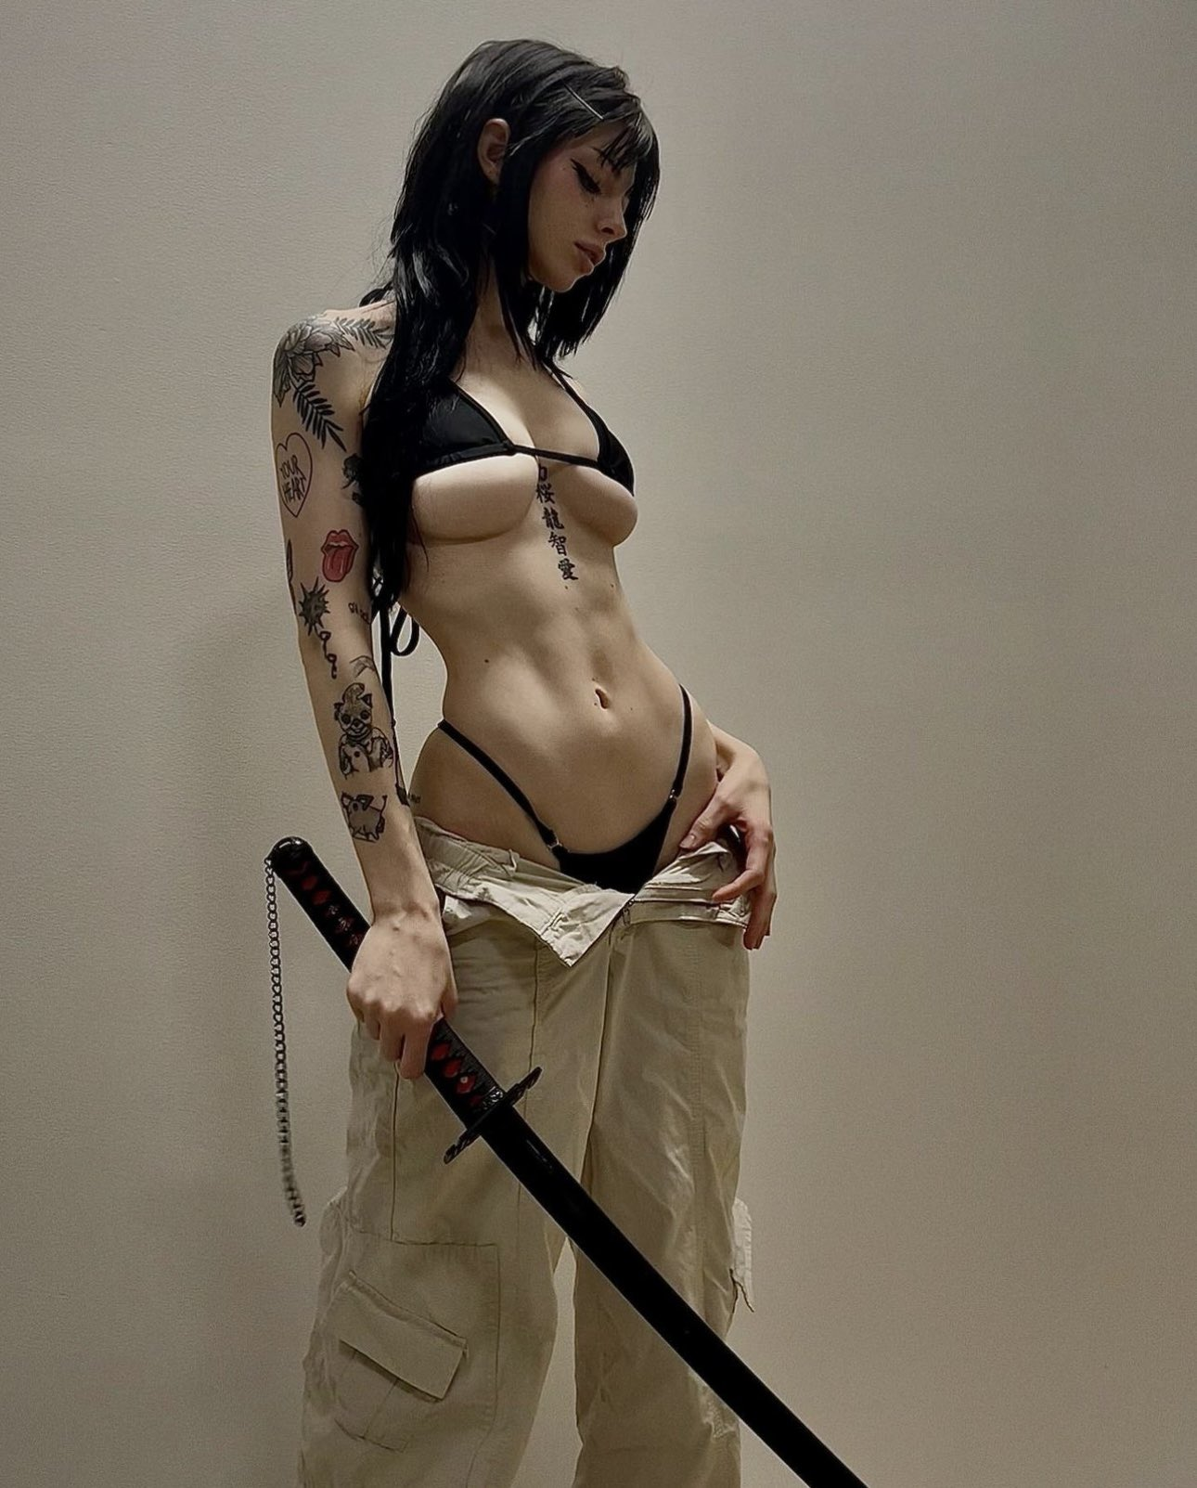

 |  |  |  |  |  |  |  |  | Swashbucklers&Scoundrels

 | Character name |  |  |  |  |  |  | Deity |  |  | Alignment |  | Appearance |  |  |  | Hair
 | Ayumi Hamasaki |  |  |  |  |  |  | Lathander – Aamunkoiton Herra |  |  | chaotic neutral |  | Stunning, Striking; |  |  |  | coal black
 | Race |  |  | stat | Size |  | 10 | Class |  |  | Vow |  |  | Height |  | Weight |  | Gender
 | sun Elf |  |  | INT | Medium |  |  | Mentalist Monk |  |  | Protect women |  |  | 160 |  | 40 |  | female
 | Strength |  | Mediocre |  |  | Dexterity |  | Average |  |  | Intelligence | Mediocre |  |  | Charisma |  | Epic
 | 0 |  |  |  |  | 1 |  |  |  |  | 0 |  |  |  | 7

 | Fighter skills |  |  | rank | total | Rogue skills |  |  | rank | total | Magician skills |  | rank | total | Warlock skills |  |  | rank | total | Circlet
 | Craft |  |  | 0 | 0 | Athletics |  |  | 6 | 7 | Investigation |  | 3 | 3 | Animal |  | +3 | 1 | 8 | 11
 | Martial weapons |  |  | 0 | 0 | Burglary |  |  |  | 1 | Lore: |  |  | 0 | Influence |  | +3 | 7 | 14 | 17
 | Intimidation |  |  | 0 | 0 | Light weapons |  |  |  | 1 |  |  |  | 0 | Pact magic |  |  | 8 | 15 | 15
 | Brawling |  |  | 5 | 5 | Riding |  |  |  | 1 | Languages: |  | 4 | 4 | Performing |  | +3 |  | 7 | 10
 |  |  |  | 0 | 0 | Sailing |  |  |  | 1 | common, elven, dwarven, tiefling, Netherese |  |  | 0 |  |  |  |  | 7 | 10
 |  |  |  | 0 | 0 | Shooting |  |  |  | 1 | Thaumaturgy |  |  | 0 |  |  |  |  | 7 | 10
 |  |  |  | 0 | 0 | Stealth |  |  |  | 1 | Medicine |  | 2 | 2 |  |  |  |  | 7 | 10
 |  |  |  | 0 |  |  |  |  |  |  | Perception |  | 4 | 4
 | Level |  | move |  | Stamina |  | Initative |  | Armor |  |  |  | magic | Conditions |  | HP |  |  |  | Defense
 | 10 |  | 11 |  | 11 |  | 6 |  | move | Robe of the Monk |  |  | n | first |  | 10 | Exhausted |  | p | Martial |  | 0 | Unarmed |  | 5
 |  |  |  |  |  |  |  |  | 11 | p | Light | disadvantage |  | second |  | 7 | Dazed |  | p | Light WP |  | 1 | Dodge |  | 6
 | Armor |  | Hit Points |  | Mana |  | Willpower |  | 8 | p | Medium | Athletics |  | third |  | 5 | Dizzy |  | p | Mage block |  | 0 | Light shield |  | 1
 | 1 |  | 20 |  | 17 |  | 22 |  | 6 | p | Heavy | Sneaking |  | fourth |  | 3 | Insecure |  | p | Warlock block |  | 15 | martial shield |  | 0

 | lvl | skills | spells | C | Feat |  |  |  |  |  |  | +1 | Stat feat |  |  |  |  |  |  | Magic items
 | 1 | 4 | 2 | W | Mentalist |  | Enchantement 1 free |  |  |  |  | CHA | Fay touched |  |  |  |  |  |  | Circlet of Persuasion
 | 2 | 8 | 4 | W | Subtle spell |  | 1 mana, no sometic/verbal components |  |  |  |  |  | Misty step 1/scene, 10m |  |  |  |  |  |  | +3 Warlock skills, except pact magic.
 | 3 | 12 | 6 | W | Distant Spell |  |  | 2x range/10m |  |  |  |  |  |  |  |  |  |  |  | Rod of Rulership
 | 4 | 16 | 8 | W | Prayers |  | 1 Free |  |  |  |  | CHA | Inspiring Leader |  |  |  |  |  |  | area 40m charm, 1/session
 | 5 | 20 | 10 | W | Area Spell |  | Area 3, 1mp, 6m 2p, 10m 3p |  |  |  |  | advantage on inspiring people doing things, sta |  |  |  |  |  |  |  | Amulet of the Planes
 | 6 | 24 | 12 | W | Empowered Spell 2x base dmg |  |  |  |  |  |  |  |  |  |  |  |  |  |  | once per session escape into pocket dimension.
 | 7 | 28 | 14 | W | Healer, 1 fee spell |  |  |  |  |  |  | CHA | telepathic, 18m |  |  |  |  |  |  | Amulet of Phoenix
 | 8 | 32 | 16 | W | Extended Spell |  |  | 2x duration |  |  |  |  |  |  |  |  |  |  |  | Once per session, if HP under zero
 | 9 | 36 | 18 | W | Forceful Spell |  |  | adv on atk roll. |  |  |  |  |  |  |  |  |  |  |  | restore to 1HP
 | 10 | 40 | 20 | W | Wild shape |  |  |  |  |  |  | CHA | Actor,adv on influence and performance when acting. |  |  |  |  |  |  | Ring of Free Action
 | Attacks // Spells |  |  |  | cost | range | 2h | dmg | skill | D | description |  |  |  |  | Magician Domains |  |  |  | immune to immobilization or slow
 | Kung fu |  |  |  |  |  | x | 0 | 5 |  | Spiritual weapon, kaksiteräinen jian |  |  |  |  | Abjuration |  |  | m | Bag of Holding |  |  |  | (1/20 size)
 | Spiritual weapon |  |  |  |  | melee |  | 2 | 15 |  |  |  |  |  |  | Divination |  |  | m | Cloak of chameleon
1 | Boost Mind |  |  |  | cost |  |  |  | 15 | scene | Raise target's Int or Cha by 1 point. Does not stack. range voice |  |  |  |  | Evocation |  |  | m |  | Disguise self, 1/session
2 | Charm 🎭 |  |  |  | cost | eye |  |  | 15 | scene | Target believes the warlock is a friend |  |  |  |  | Illusion |  |  | m
3 | Grant emotion 🎭 |  |  |  | cost | eye |  |  | 15 | scene | Cause an emotion that cancels mental condition |  |  |  |  | Necromancy |  |  | m
4 | Compulsion |  |  |  | scene | eye |  |  | 15 | cmd | Target must obey one simple command |  |  |  |  | Transmutation |  |  | m
5 | Forget 🎭 |  |  |  | scene | eye |  |  | 15 | inst. | Target forgets this scene till now |  |  |  |  |  |  | 🏰
6 | Fortress of the mind |  |  |  | cost | voice |  |  | 15 | scene | Mind shield area 3 ,does not stack |  |  |  |  | Curses |  |  | m
7 | Ignore Pain |  |  |  | cost | voice |  |  | 15 | scene | Target ignores one condition |  |  |  |  | Enchantement |  |  | l
8 | Idiocy |  |  |  | cantrip | eye |  |  | 15 | scene | reduce target's Int and cha by 1, by if succeed by 3, by 2. doesn’t stack, vs int or Magic attack |  |  |  |  | Healing |  |  | l
9 | Mind Shield |  |  |  | cost | self | x |  | 15 | scene | Get +2 bonus to resust Enchangemenent and illusion spells |  |  |  |  | Nature |  |  | m
10 | Mind Blast |  |  |  | cantrip | voice | x | base | 15 | atk | Magic overcome versus mental defence attack |  |  |  |  | Necromancy pact |  |  | m
11 | Provoke Emotion 🎭 |  |  |  | cost | eye | x |  | 15 | scene | Create a strong emotion to target as a condition |  |  |  |  |  |  | 🙏 | l
12 | Power word kill 💀 |  |  |  | session | eye | x |  | 15 | atk | Target must roll mental defence versus you magic overcome. If it gets fewer successess, it dies instantly. (20m)
13 | Detect thougts 🧠 |  |  |  | cost | eye |  |  | 15 | scene | You can sense thoughts, or with mental thoughts see deep thoughts |  |  |  |  | Perks
14 | Turn Undead |  |  |  | cost | v |  |  | 15 | inst,scene, command |  |  |  |  |  | Contacts |  | ppppp
15 | Remove curse |  |  |  | cost | touch | x |  | 15 | inst | Packt magic vs curse to remove it |  |  |  |  | resources |  | pp
16 | Spiritual weapon |  |  |  | cost | voice | x | 1 | 15 | scene | Create a spiritual weapon, works as your own melee weapon. Skill magic overcome. you must focus to attack |  |  |  |  | Status |  | ppp
17 | Purify |  |  |  | cost | touch |  |  | 15 | inst | Purify poinsons and diseases |  |  |  |  | Flaws
18 | Cure Light Wounds |  |  |  | cost | touch | x |  | 15 | inst. | heal 1hp per success. |  |  |  |  | indebted |  | ppppp
19 | Cure Serious Wounds |  |  |  | scene | touch | x |  | 15 | inst. | heal D20+ CHA hitpoints |  |  |  |  | Corruption |  | ppppp
20 | Heal |  |  |  | session | touch | x |  | 15 | inst. | heal all hitpoints and conditions
21 | Regeneration |  |  |  | session | touch | x |  | 15 | day | regenerates an organ or a limb in a day.
22 | Resurrection |  |  |  | Mission | touch | x |  | 15 | inst. | Target rises with 1HP, if missing organs, dies again.
23 | Vigor |  |  |  | cost | voice |  |  | 15 | scene | Target ignores one condition
Wild shape |  |  | mana/scene |  |  | Brawling |  |  | Hits | Warlock limitation:
Hawk | STR 0, DEX 5, wings, keen eyesight, small |  |  |  |  | 5 | 10 | fly by | 5 | Casting session spell costs one indebted check mark, casting
Big dog | STR 3, Dex 3, Fangs, Keen smell |  |  |  |  | 8 | Fangs |  | 10 | mission spell costs 2.
Bear | STR 5, large, clumsy |  |  |  |  | 10 | Fangs, claws |  | 20 | Your deity asks simple if random favors to cancel out indebted marks
Mouse | STR -5, DEX 5, tiny |  |  |  |  | 0 | Fangs, infectous |  | 2 | To further out his her long term goals. Like give 1000 gold to this dude.
Cat | STR 0, DEX 4, agile, stealthy

 | Telepathic
 | Hyödyt:
 | 1 | +1 Charismaan (tai vaihtoehtoisesti Intelligenceen tai Wisdomiin)
 | 2 | Telepaattinen viestintä – Voit puhua ajatuksissasi 60 jalan (18 m) säteellä olevalle hahmolle ilman yhteistä kieltä. Hahmon ei tarvitse kuulla sinua, mutta sen täytyy ymmärtää jokin kieli.
 | 3 | Detect Thoughts -loitsu – Saat kerran päivässä ilmaisen Detect Thoughts -loitsun ilman loitsupaikkaa. Voit myös käyttää sitä tavallisesti loitsupaikoilla.

Noctessa 3


 |  |  |  |  |  |  |  |  | Swashbucklers&Scoundrels

 | Character name |  |  |  |  |  |  | Deity |  |  | Alignment |  | Appearance |  |  |  | Hair
 | Noctessa of the night |  |  |  |  |  |  | Selune moon god |  |  | chaotic neutral |  | Excentric, distingtive; |  |  |  | Reddish brown
 | Race |  |  | stat | Size |  | 10 | Class |  |  | Vow |  |  | Height |  | Weight |  | Gender
 | Tiefling |  |  | CHA | Medium |  |  | Druid |  |  | Protect Forests |  |  | 170 |  | 45 |  | female
 | Strength |  | Poor |  |  | Dexterity |  | Average |  |  | Intelligence | Mediocre |  |  | Charisma |  | Great
 | -1 |  |  |  |  | 1 |  |  |  |  | 0 |  |  |  | 4

 | Fighter skills |  |  | rank | total | Rogue skills |  |  | rank | total | Magician skills |  | rank | total | Warlock skills |  |  | rank | total
 | Craft |  |  |  | -1 | Athletics |  |  | 2 | 3 | Investigation |  |  | 0 | Animal |  |  | 2 | 6
 | Martial weapons |  |  |  | -1 | Burglary |  |  |  | 1 | Lore: |  | 0 | 0 | Influence |  |  |  | 4
 | Intimidation |  |  |  | -1 | Light weapons |  |  |  | 1 | Woodlands of neverwinter |  |  | 0 | Pact magic |  |  | 4 | 8
 | Brawling |  |  | 3 | 2 | Riding |  |  | 0 | 1 | Languages: |  | 1 | 1 | Performing |  |  | 0 | 4
 |  |  |  | 0 | -1 | Sailing |  |  | 1 | 2 | common, elven |  |  | 0 |  |  |  |  | 4
 |  |  |  | 0 | -1 | Shooting |  |  |  | 1 | Thaumaturgy |  |  | 0 |  |  |  |  | 4
 |  |  |  | 0 | -1 | Stealth |  |  |  | 1 | Medicine |  |  | 0 |  |  |  |  | 4
 |  |  |  | 0 |  |  |  |  |  |  | Perception |  | 0 | 0
 | Level |  | move |  | Stamina |  | Initative |  | Armor |  |  |  | magic | Conditions |  | HP |  |  |  | Magic item
 | 3 |  | 11 |  | 4 |  | 3 |  | move | Adamantine Breastplate |  |  | p | first |  | 6 | Exhausted |  | p | Ring of Free Action
 |  |  |  |  |  |  |  |  | 10 | n | Light | disadvantage |  | second |  | 4 | Dazed |  | p | immune to immobilization or slow
 | Armor |  | Hit Points |  | Mana |  | Resistance |  | 8 | p | Medium | Athletics |  | third |  | 3 | Dizzy |  | p
 | 1 |  | 12 |  | 7 |  | 12 |  | 6 | p | Heavy | Sneaking |  | fourth |  | 2 | Insecure |  | p

 | lvl | skills | spells | C | Feat |  |  |  |  |  |  | +1 | Stat feat
 | 1 | 4 | 2 | W | Natural Healer (Nature, Healing) |  |  |  |  |  |  | CHA | Fay touched
 | 2 | 8 | 4 |  | Subtle spell( no vocal, somatic components) |  |  |  |  |  |  |  | Misty step 1/scene, 10m
 | 3 | 12 | 6 |  | Area spell (3,6,10,15)

 | Attacks // Spells |  |  |  | cost | range | 2h | dmg | skill | D | description |  |  |  |  | Magician Domains
 | Brawling |  |  |  |  | melee | x | ~ | 2 |  |  |  |  |  |  | Abjuration |  |  | m
 | Pact magic |  |  |  |  | ~ |  | ~1-2 | 8 | Block | 18 |  |  |  |  | Divination |  |  | m
 |  |  |  |  |  |  |  |  |  |  |  |  |  |  |  | Evocation |  |  | m
 | Dodge |  |  |  | c |  |  |  | 13 |  |  |  |  |  |  | Illusion |  |  | m
 | Spells |  |  |  |  |  |  |  |  |  |  |  |  |  |  | Necromancy |  |  | m
1 | Cure light wounds (1/success+CHA) |  |  |  |  |  |  |  | Heal 1 hp / success + Cha |  |  |  |  |  |  | Transmutation |  |  | m
2 | cure serious wounds (1/scene, d20+CHA) |  |  |  |  |  |  |  | Heal D20 HP + Cha |  |  |  |  |  |  | Warlock Domains
3 | purify |  |  |  |  |  |  |  | Purify poinsons and diseases |  |  |  |  |  |  | Curses |  |  | m
4 | Summon Nature's ally |  |  |  |  |  |  |  | Summon one animal from close by to help you |  |  |  |  |  |  | Enchantement |  |  | m
5 | Bark skin (Armor 2) |  |  |  |  |  |  |  | get armor 2 or +1, does not stack |  |  |  |  |  |  | Healing |  |  | l
6 | Plant growth |  |  |  |  |  |  |  | Grow a wall of plants, 6m wall or 6m radius circle. |  |  |  |  |  |  | Nature |  |  | l
7 |  |  |  |  |  |  |  |  | CHA+10 hp, OR (enrich soil in a radius of 1 km one/session/Ritual) |  |  |  |  |  |  | Necromancy pact |  |  | m
8 |  |  |  |  |  |  |  |  |  |  |  |  |  |  |  | Prayers |  |  | m
9 |  |  |  |  |  |  |  |  |  |  |  |  |  |  |  | Trickster |  |  | m
10 |  |  |  |  |  |  |  |  |  |  |  |  |  |  |  | Perks

11 |  |  |  |  |  |  |  |  |  |  |  |  |  |  |  | Contacts |  | p
 |  |  |  |  |  |  |  |  |  |  |  |  |  |  |  | resources |  | p
 |  |  |  |  |  |  |  |  |  |  |  |  |  |  |  | Status |  | p

 |  |  |  |  |  |  |  |  |  |  |  |  |  |  |  | Flaws
 |  |  |  |  |  |  |  |  |  |  |  |  |  |  |  | indebted |  | ppppp
 |  |  |  |  |  |  |  |  |  |  |  |  |  |  |  | Corruption |  | ppppp

 | Lightning storm |  |  | Creates storm, lightning attack Magic overcome vs dodge. Dmg 2. Wind, rain, darkness, and bolts of lightning plague the area at.
 | Nature aspect
 | Summon Nature's ally 🧚 |  |  |  | 2 | 1
 | Bark skin
 | Plant growth
 | Grasping vine |  |  | Caster can concentrate and use pact magic to grabble target, range 10m
 | Speak with animals |  |  | Speak with animals
 | Spike Growth |  |  | 6m radius is filled with spikes, walking there causes passive attack D20, causes difficult environment
 | Reincarnate |  |  | Target rises with 1HP, with random race, age is youngling

Illusions 🧙‍♂️🪞 | Column1 | Column2 | Column3 | Column4 | Column5 | Column6
Disguise 🎭
Illusory Decoy
Impersonate
Invisibility
Major illusion
Minor Illusion 🎭
Veil
True Sight

Selene 3

 |  |  |  |  |  |  |  |  | Swashbucklers&Scoundrels

 | Character name |  |  |  |  |  |  | Deity |  |  | Alignment |  | Appearance |  |  |  | Hair
 | Selene of red cloak |  |  |  |  |  |  | Selune |  |  | Lawful good |  | Smart, Sharp; |  |  |  | Dark red
 | Race |  |  | stat | Size |  | 10 | Class |  |  | Vow |  |  | Height |  | Weight |  | Gender
 | Northen human |  |  | INT | Medium |  |  | Wizard |  |  | fight red wizards |  |  | 170 |  | 40 |  | female
 | Strength |  | Poor |  |  | Dexterity |  | Mediocre |  |  | Intelligence | Great |  |  | Charisma |  | Average
 | -1 |  |  |  |  | 0 |  |  |  |  | 4 |  |  |  | 1

 | Fighter skills |  |  | rank | total | Rogue skills |  |  | rank | total | Magician skills |  | rank | total | Warlock skills |  |  | rank | total
 | Craft |  |  | 0 | -1 | Athletics |  |  |  | 0 | Investigation |  | 2 | 6 | Animal |  |  | 0 | 1
 | Martial weapons |  |  | 0 | -1 | Burglary |  |  |  | 0 | Lore: |  | 3 | 7 | Influence |  |  | 2 | 3
 | Intimidation |  |  | 0 | -1 | Light weapons |  |  |  | 0 | neverwinter, dungeons |  |  | 4 | Pact magic |  |  | 0 | 1
 | Brawling |  |  | 0 | -1 | Riding |  |  |  | 0 | Languages: |  | 1 | 5 | Performing |  |  |  | 1
 |  |  |  | 0 | -1 | Sailing |  |  |  | 0 | common, elven |  |  | 4 |  |  |  |  | 1
 |  |  |  | 0 | -1 | Shooting |  |  |  | 0 | Thaumaturgy |  | 4 | 8 |  |  |  |  | 1
 |  |  |  | 0 | -1 | Stealth |  |  |  | 0 | Medicine |  |  | 4 |  |  |  |  | 1
 |  |  |  | 0 |  |  |  |  |  |  | Perception |  |  | 4
 | Level |  | move |  | Stamina |  | Initative |  | Armor |  |  |  | magic | Conditions |  | HP |  |  |  | Defense
 | 3 |  | 10 |  | 3 |  | 6 |  | move | Robe of the Archmagi |  |  | p | first |  | 6 | Exhausted |  | p | Martial | -1 | Unarmed | -1
 |  |  |  |  |  |  |  |  | 9 | p | Light | disadvantage |  | second |  | 4 | Dazed |  | p | Light WP | 0 | Dodge | 0
 | Armor |  | Hit Points |  | Mana |  | Resistance |  | 8 | p | Medium | Athletics |  | third |  | 3 | Dizzy |  | p | Mage block | 18 | Light block | 0
 | 0 |  | 12 |  | 7 |  | 14 |  | 5 | p | Heavy | Sneaking |  | fourth |  | 2 | Insecure |  | p | Warlock block | 1 | martial shield | -1

 | lvl | skills | spells | C | Feat |  |  |  |  |  |  | +1 | Stat feat |  |  |  |  |  |  | Magic items
 | 1 | 4 | 2 | M | War Wizard (Evocation, Abjuration) |  |  |  |  |  |  | INT | Keen mind |  |  |  |  |  |  | Hat of Disguise
 | 2 | 8 | 4 | M | Forceful spell (atk adv) |  |  |  |  |  |  |  | total recall, know north |  |  |  |  |  |  | Disquise self 1/scene
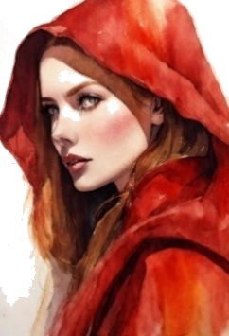
 | 3 | 12 | 6 | M | Empowered spell (dmg x 2) |  |  |  |  |  |  |  | Sense how many hr to sun

 | Attacks // Spells |  |  |  | cost | range | 2h | dmg | skill | D | description |  |  |  |  | Magician Domains
 | Quarter staff |  |  |  |  | spear | x | 2 | 1 | atk | Staff |  |  |  | 9 | Abjuration |  |  | l
 | Knife |  |  |  |  | H2H |  | 1 | 0 | atk | ritual knife |  |  |  |  | Divination |  |  | m
1 | Magic missile |  |  |  | cantrip | 40m | x | 1 | 8 | atk | violet darts that leave behind a faint, radiant trail as they fly. |  |  |  |  | Evocation |  |  | l
2 | Burning hands |  |  |  | c | 5m cone | x | 2 | 8 | atk | flame throwing fingers. |  |  |  |  | Illusion |  |  | m
3 | Fireball |  |  |  | scene | 50m | x | x2 | 8 | atk | 6m area |  |  |  |  | Necromancy |  |  | m
4 | Arcane shield |  |  |  | c | self |  |  | 8 | scene | Get magical shield. block with magic attack +2 [17] |  |  |  |  | Transmutation |  |  | m
5 | Arcane Armor |  |  |  | c | self |  |  | 8 | scene | Get armor of 2 or +1 |  |  |  |  | Warlock Domains
6 | Endure Elements |  |  |  | c | self |  |  | 8 | scene | Get immunity to weather based effects |  |  |  |  | Curses |  |  | m
7 |  |  |  |  |  |  |  |  |  |  |  |  |  |  |  | Enchantement |  |  | m
8 |  |  |  |  |  |  |  |  |  |  |  |  |  |  |  | Healing |  |  | m
9 |  |  |  |  |  |  |  |  |  |  |  |  |  |  |  | Nature |  |  | m
10 |  |  |  |  |  |  |  |  |  |  |  |  |  |  |  | Necromancy pact |  |  | m
11 |  |  |  |  |  |  |  |  |  |  |  |  |  |  |  | Prayers |  |  | m
12 |  |  |  |  |  |  |  |  |  |  |  |  |  |  |  | Perks |  |  |  | Mana
13 |  |  |  |  |  |  |  |  |  |  |  |  |  |  |  | Contacts |  |  |  | ppppp
14 |  |  |  |  |  |  |  |  |  |  |  |  |  |  |  | resources |  | p |  | pp
15 |  |  |  |  |  |  |  |  |  |  |  |  |  |  |  | Status |  | pp
16 |  |  |  |  |  |  |  |  |  |  |  |  |  |  |  | indebted |  | ppppp
17 |  |  |  |  |  |  |  |  |  |  |  |  |  |  |  | Corruption |  | ppppp |  |  |  | x
18 |  |  |  |  |  |  |  |  |  |  |  |  |  |  |  | Defense |  |  | staff
19 |  |  |  |  |  |  |  |  |  |  |  |  |  |  |  | First |  |  | 20
20 |  |  |  |  |  |  |  |  |  |  |  |  |  |  |  | second |  |  | 15
21 |  |  |  |  |  |  |  |  |  |  |  |  |  |  |  | third |  |  | 10
22 |  |  |  |  |  |  |  |  |  |  |  |  |  |  |  | fourth |  |  | 5
23
24

Illusions 🧙‍♂️🪞 | Sarake1 | Sarake2 | Sarake3 | Duration | Effect | Sarake12 | Requirements, keywords
Disguise 🎭 |  |  |  | scene | Advantage on disguise |  | Trickster
Illusory Decoy |  |  |  | scene | Creates a copy of you that has 1 hp, recreate with 1 mana |  | Minor Illusion
Impersonate |  |  |  | scene | shapeshift into target in every detail, close friends can roll to detect, detect vs. magic overcome skill |  | Disguise
Invisibility |  |  |  | scene | target is invisible. Cancelled with damage or attack |  | Minor illusion
Major illusion |  |  |  | scene | large area illusion with image and sound |  | Minor illusion, 1 illusion
Minor Illusion 🎭 |  |  |  | scene | Phantom image or sound, large area (trickster)
Veil |  |  |  | scene | impersonates all ppl in 3m area |  | Impersonate, major illusion
True Sight

